Data Format
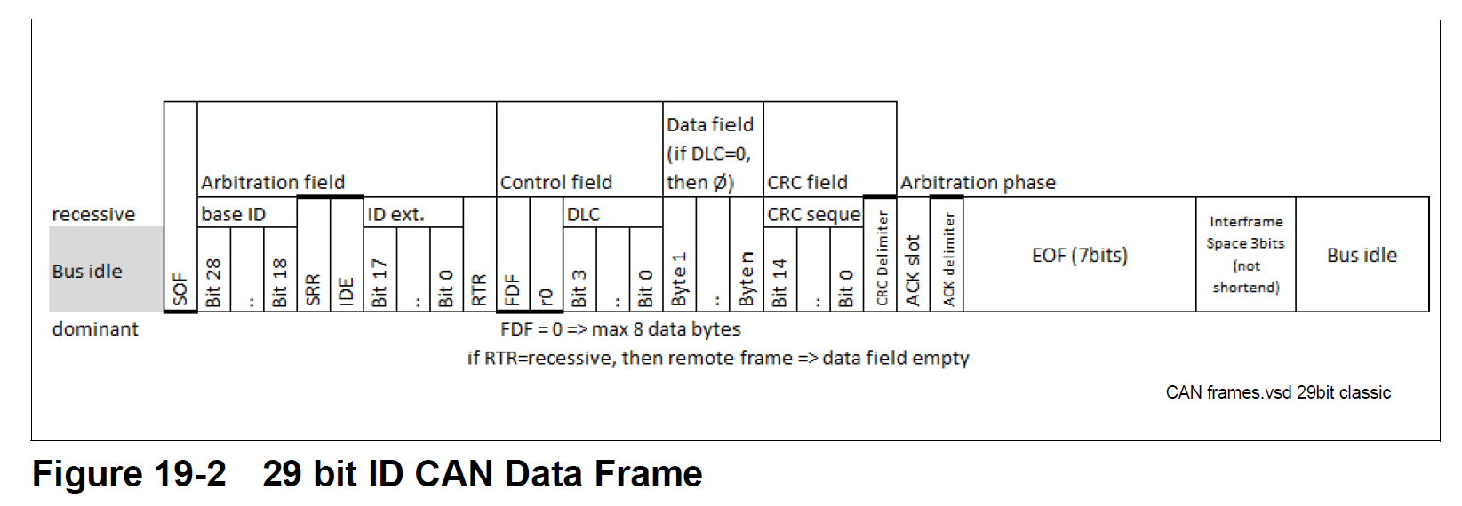

The CAN ID is 29 bits and it consists of 10-bit base ID and 18-bit ID ext. Here is how the 29 bits are mapped.
 | Arbitration Field | Num of Bits | Description
BIT 28 - BIT 26 | Priority | 3 | 0 to 7. 0 = highest priority, and 7 = lowest priority
BIT 25 - BIT 16 | Data ID | 10 | Register Address of the receiver of the message
BIT 15- BIT 8 | Destination Address | 8 | The receiver of the message. For example, the address of PMB is 0xC0 and the address of testing fixture MCU is 0xA0.
BIT 7 - BIT 0 | Source Address | 8 | The sender of the message. For example, the address of PMB is 0xC0 and the address of testing fixture MCU is 0xA0.
 | Control Field
BIT 3 - BIT0 | DLC |  | Data length code. Maximum 8 data bytes.

